Cover Page


Start-up Valuation - VR MALL | Strictly Confidential

Notes
All content is Copyright material of INVESTO
http://investo.ge/

© 2025 INVESTO All rights reserved.

Valuation
© INVESTO®. All rights reserved.
 | VR MALL Valuation

 | Valuation Methods | Valuation | % | Weighted Average Valuation

 | Comparable Analysis Method | 2,100,000 | 15.0% | 315,000
 | Berkus Method | 1,300,000 | 15.0% | 195,000
 | ScoreCard Method | 2,117,063 | 15.0% | 317,559
 | Risk Factor Summation Method | 2,600,000 | 15.0% | 390,000
 | DCF Method - Multiple Method | 11,127,157 | 12.0% | 1,335,259
 | DCF Method - Perpetuity Growth Method | 7,524,090 | 12.0% | 902,891
 | Venture Capital Method | 5,314,443 | 16.0% | 850,311

 | VR MALL Valuation |  |  | 4,306,020

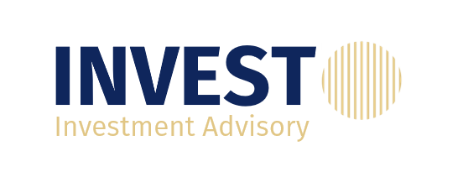

 | http://investo.ge/

Investment Offer

Investment Offer
 |  | © INVESTO®. All rights reserved.
Requested Investment | 466,460
VR Mall Post Money Valuation | 4,306,020 | http://investo.ge/

Ownership Fraction To Investors | 11%

Venture Capital Method

Venture Capital Method

 |  | © INVESTO®. All rights reserved.
Terminal Year EBITDA | 20,084,001
EBITDA Multiple | 5.00 x | http://investo.ge/
Exit Value | 100,420,007
Time to exit | 5
IRR | 80.0%
Investment Amount | 466,460
Number of existing shares | 100,000
Post-Money | 5,314,443
Pre-Money | 4,847,983
Ownership fraction of investors | 8.8%
Ownership fraction of entrepreneurs | 91.2%
Number of new shares | 9,622
Price per share | 48

Returns Analysis


 |  |  |  | Projected
Returns Calculations: |  | Units | 2025E | 2025E | 2026E | 2027E | 2028E | 2029E

 | EBITDA Exit Multiple: | x |  |  |  |  |  | 5.0x
 | EBITDA: | $ |  |  |  |  |  | 20,084,001

 | Exit Enterprise Value: | $ |  |  |  |  |  | 100,420,007
 | Less: Net Debt: | $ |  |  |  |  |  | -
 | Equity Value on Exit: | $ |  |  |  |  |  | 100,420,007
 | Investor Equity: | $ |  |  |  |  |  | 100,420,007

 | Returns to Investors:
 | Sponsor Common Equity:
 | Initial Investment: | $ | (466,460)
 | Dividends: | $ |  | - | - | - | - | -
 | Investor Equity: | $ |  |  |  |  |  | 10,878,240
 | Total Cash Flows: | $ | (466,460) | - | - | - | - | 10,878,240

 | Money-on-Money (MoM) Multiple: | x | 23.3x
 | Internal Rate of Return (IRR): | % | 87.7%

